Table 1
2018-2019 Prescription Opioid Overdose Data
 | Changes in drug overdose death rates involving prescription opioids by select states, United States, 2018 to 2019
 |  |  | 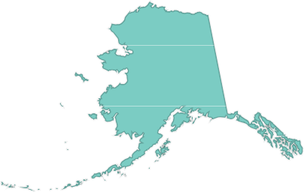 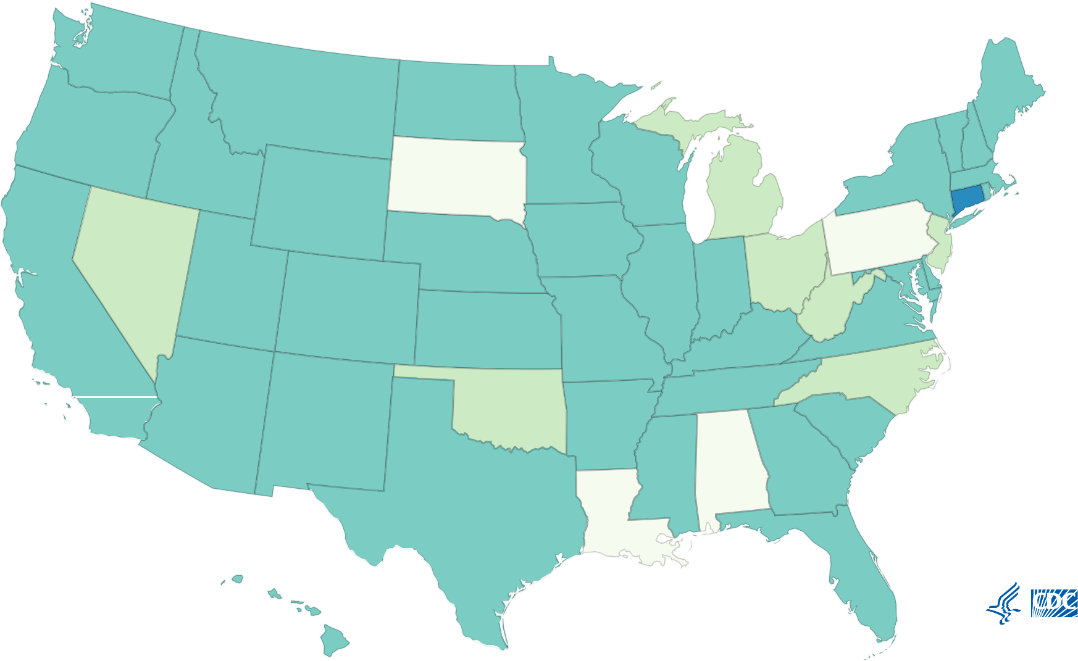
 |  | Category Did not meet inclusion criteria Decrease Stable-not signiﬁcant Increase
SOURCE: CDC/NCHS, National Vital Statistics System, Mortality. CDC WONDER, Atlanta, GA: US Department of Health and Human Services, CDC; 2020. https://wonder.cdc.gov/ .
SOURCE: CDC/NCHS, National Vital Statistics System, Mortality. CDC WONDER, Atlanta, GA: US Department of Health and Human Services, CDC; 2018. https://wonder.cdc.gov/
 |  |  |  |  |  |  |  |  |  |  |  |  |  |  |  | Search:

↑↓ ↑↓ |  |  |  |  |  |  |  | Percent change from 2018 to 2019 ↑↓ |  |  | ↑↓ ↑↓
2018
Rate
2019
Deaths
2019
Rate
Reporting
 |  |  |  |  |  |  |  |  |  |  |  |  |  |  | ↑↓ ↑↓ ↑↓ ↑↓

 | Did not meet Did not meet Alabama inclusion n/a n/a n/a n/a n/a n/a inclusion criteria criteria
 |  |  |  |  |  |  |  |  |  |  |  |  |  |  |  |  |  |  | very good to excellent reporting
 |  |  |  |  |  | Stable-not 24.5 no 38 4.9 47 6.1 signi cant
Alaska

Arizona |  |  |  | Stable-not signi cant |  |  | -2.0 |  |  | no |  | 362 | 5.0 | 364 |  | 4.9 | very good to excellent reporting
Arkansas |  |  |  | Stable-not signi cant |  |  | -16.7 |  |  | no |  | 119 | 4.2 | 98 |  | 3.5 | good reporting
California |  |  |  | Stable-not signi cant |  |  | 0.0 |  |  | no |  | 1084 | 2.6 | 1073 |  | 2.6 | good reporting
Colorado |  |  |  | Stable-not signi cant |  |  | -2.3 |  |  | no |  | 268 | 4.4 | 258 |  | 4.3 | very good to excellent reporting
Connecticut |  |  |  | Increase |  |  | 21.9 |  |  | yes |  | 231 | 6.4 | 283 |  | 7.8 | very good to excellent reporting
Delaware |  |  |  | Stable-not signi cant |  |  | -7.9 |  |  | no |  | 82 | 8.9 | 75 |  | 8.2 | very good to excellent reporting
District of Columbia |  |  |  | Stable-not signi cant |  |  | -14.0 |  |  | no |  | 41 | 5.7 | 36 |  | 4.9 | very good to excellent reporting
Florida |  |  |  | Stable-not signi cant |  |  | -6.7 |  |  | no |  | 1282 | 6.0 | 1190 |  | 5.6 | good reporting
Georgia |  |  |  | Stable-not signi cant |  |  | -12.2 |  |  | no |  | 440 | 4.1 | 396 |  | 3.6 | very good to excellent reporting
Hawaii |  |  |  | Stable-not signi cant |  |  | -30.4 |  |  | no |  | 33 | 2.3 | 26 |  | 1.6 | very good to excellent reporting
Idaho |  |  |  | Stable-not signi cant |  |  | 4.7 |  |  | no |  | 75 | 4.3 | 81 |  | 4.5 | good reporting
Illinois |  |  |  | Stable-not signi cant |  |  | 0.0 |  |  | no |  | 539 | 4.2 | 545 |  | 4.2 | very good to excellent reporting
Indiana |  |  |  | Stable-not signi cant |  |  | 10.7 |  |  | no |  | 370 | 5.6 | 400 |  | 6.2 | good reporting
Iowa |  |  |  | Stable-not signi cant |  |  | -4.8 |  |  | no |  | 64 | 2.1 | 60 |  | 2.0 | very good to excellent reporting
Kansas |  |  |  | Stable-not signi cant |  |  | -6.3 |  |  | no |  | 87 | 3.2 | 85 |  | 3.0 | good reporting
Kentucky |  |  |  | Stable-not signi cant |  |  | 8.3 |  |  | no |  | 315 | 7.2 | 345 |  | 7.8 | very good to excellent reporting
Louisiana |  |  |  | Did not meet inclusion criteria |  |  | n/a |  |  | n/a |  | n/a | n/a | n/a |  | n/a | Did not meet inclusion criteria
Maine |  |  |  | Stable-not signi cant |  |  | 9.8 |  |  | no |  | 69 | 5.1 | 73 |  | 5.6 | very good to excellent reporting
Maryland |  |  |  | Stable-not signi cant |  |  | 2.2 |  |  | no |  | 576 | 9.2 | 589 |  | 9.4 | very good to excellent reporting
Massachusetts |  |  |  | Stable-not signi cant |  |  | -14.9 |  |  | no |  | 331 | 4.7 | 288 |  | 4.0 | very good to excellent reporting very good to
Michigan |  |  |  | Decrease |  |  | -17.9 |  |  | yes |  | 556 | 5.6 | 454 |  | 4.6 | excellent
 |  |  |  |  |  |  |  |  |  |  |  |  |  |  |  |  | reporting
Minnesota |  |  |  | Stable-not signi cant |  |  | 4.0 |  |  | no |  | 136 | 2.5 | 143 |  | 2.6 | good reporting
Mississippi |  |  |  | Stable-not signi cant |  |  | 3.2 |  |  | no |  | 92 | 3.1 | 97 |  | 3.2 | good reporting
Missouri |  |  |  | Stable-not signi cant |  |  | -11.4 |  |  | no |  | 265 | 4.4 | 242 |  | 3.9 | very good to excellent reporting
Montana |  |  |  | Stable-not signi cant |  |  | 34.8 |  |  | no |  | 26 | 2.3 | 33 |  | 3.1 | good reporting
Nebraska |  |  |  | Stable-not signi cant |  |  | -4.8 |  |  | no |  | 41 | 2.1 | 39 |  | 2.0 | good reporting
Nevada |  |  |  | Decrease |  |  | -19.4 |  |  | yes |  | 235 | 7.2 | 189 |  | 5.8 | very good to excellent reporting
New Hampshire |  |  |  | Stable-not signi cant |  |  | 6.5 |  |  | no |  | 43 | 3.1 | 45 |  | 3.3 | very good to excellent reporting
New Jersey |  |  |  | Decrease |  |  | -13.8 |  |  | yes |  | 517 | 5.8 | 456 |  | 5.0 | very good to excellent reporting
New Mexico |  |  |  | Stable-not signi cant |  |  | 8.5 |  |  | no |  | 176 | 8.2 | 179 |  | 8.9 | very good to excellent reporting
New York |  |  |  | Stable-not signi cant |  |  | -4.1 |  |  | no |  | 998 | 4.9 | 939 |  | 4.7 | very good to excellent reporting
North Carolina |  |  |  | Decrease |  |  | -14.9 |  |  | yes |  | 489 | 4.7 | 420 |  | 4.0 | very good to excellent reporting
North Dakota |  |  |  | Stable-not signi cant |  |  | 8.8 |  |  | no |  | 24 | 3.4 | 27 |  | 3.7 | good reporting
Ohio |  |  |  | Decrease |  |  | -16.0 |  |  | yes |  | 571 | 5.0 | 477 |  | 4.2 | very good to excellent reporting
Oklahoma |  |  |  | Decrease |  |  | -20.9 |  |  | yes |  | 172 | 4.3 | 133 |  | 3.4 | very good to excellent reporting
Oregon |  |  |  | Stable-not signi cant |  |  | -17.6 |  |  | no |  | 151 | 3.4 | 127 |  | 2.8 | very good to excellent reporting
Pennsylvania |  |  |  | Did not meet inclusion criteria |  |  | n/a |  |  | n/a |  | n/a | n/a | n/a |  | n/a | Did not meet inclusion criteria
Rhode Island |  |  |  | Stable-not signi cant |  |  | -23.4 |  |  | no |  | 85 | 7.7 | 63 |  | 5.9 | very good to excellent reporting
2018
Deaths
Stable-not very good to South Carolina signi cant -5.4 no 375 7.4 351 7.0 excellent reporting
Statistically
 |  |  |  |  | Did not meet inclusion criteria |  |  |  |  |  |  |  |  |  |  |  |  | very good to excellent reporting
Location
Category
Signi cant
South Dakota |  |  |  |  |  |  |  |  | n/a n/a n/a n/a n/a n/a

Stable-not very good to Tennessee signi cant -7.3 no 550 8.2 515 7.6 excellent reporting
Texas Stable-not signi cant
 |  |  |  |  |  |  |  |  | -5.3 no 547 1.9 535 1.8 good reporting

Stable-not very good to Utah signi cant -11.4 no 306 10.5 277 9.3 excellent reporting
 |  |  |  |  |  |  |  |  |  |  |  |  |  |  |  |  |  | very good to excellent reporting
 |  |  |  |  | Stable-not 11.4 no 27 4.4 29 4.9 signi cant
Vermont

Stable-not very good to Virginia signi cant -7.9 no 326 3.8 306 3.5 excellent reporting
 |  |  |  |  |  |  |  |  |  |  |  |  |  |  |  |  |  | very good to excellent reporting
 |  |  |  |  | Stable-not -13.2 no 301 3.8 268 3.3 signi cant
Washington

very good to West Virginia Decrease -19.8 yes 234 13.1 185 10.5 excellent reporting
 |  |  |  |  |  |  |  |  |  |  |  |  |  |  |  |  |  | very good to excellent reporting
 |  |  |  |  | Stable-not -9.4 no 301 5.3 282 4.8 signi cant
Wisconsin

Stable-not very good to Wyoming signi cant 2.2 no 28 4.6 28 4.7 excellent reporting
Showing 1 to 52 of 52 entries
About This Map and Data Table
Deaths are classi ed using the International Classi cation of Diseases, Tenth Revision (ICD–10). Drug overdose deaths are identi ed using underlying cause-of-death codes X40–X44, X60–X64, X85, and Y10–Y14. Rates are age-adjusted using the direct method and the 2000 U.S. standard population, except for age-speci c crude rates. All rates are per 100,000 population.
Back to the Prescription Opioids Overdose Death Maps Webpage.
Page last reviewed: May 18, 2021

